freight-HDV
Notes
To compute industry ownership we assume that the property follows the percentage of the products' share in the total TKU, from table 19.

energy industry participation

natural gas and petroleum suppliers | Sum of TKU products ratio at 2015
Automotive Gasoline, Gasoline, Fuel Oil, Diesel Oil | 0.022020786406
Liquefied petroleum gas | 0.0090092391803
Oil and natural gas | 0
Other products of petroleum refining and coke | 0.018017523714
Grand Total | 0.049047549301

biomass and biofuel suppliers | Sum of TKU products ratio at 2015
Alcohol | 0.039315618318
Sugar cane, Other tillage products and services, Cassava, Citrus fruits | 0.092243548221
Sugar mills and refining products | 0.025591170948
Grand Total | 0.15715033749

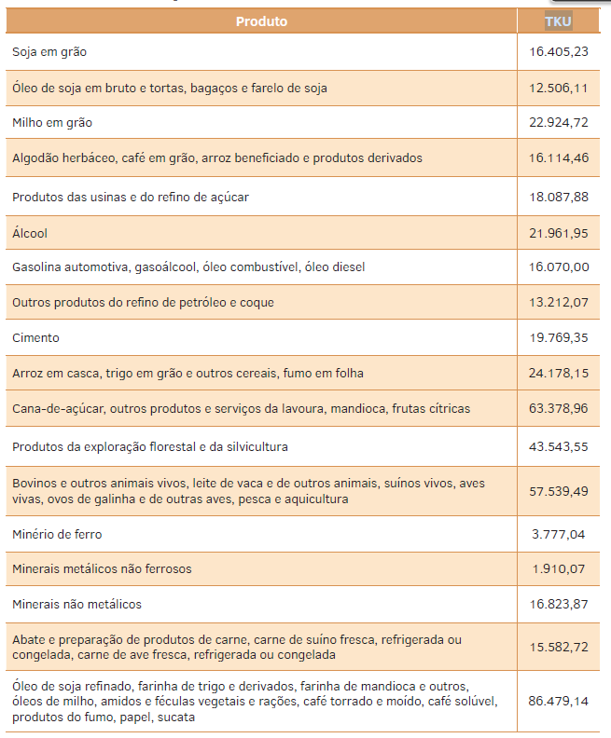
The table below is from the excel file that generated the results for transportation sector, this file has more detalied informations about the modelling than the report. |  |  | page 76, from Mitigation Option
Table 19 translated |  |  | Table 19 - Products Transported by Road Modal
Mode | Product | TKU products ratio at 2015
Road | Soybeans | 2.31%
Road | Crude soybean oil and soybean pies, cake and meal | 1.75%
Road | Corn Grain | 3.28%
Road | Herbaceous cotton, Coffee beans, Processed rice and derived products | 2.38%
Road | Sugar mills and refining products | 2.56%
Road | Alcohol | 3.93%
Road | Automotive Gasoline, Gasoline, Fuel Oil, Diesel Oil | 2.20%
Road | Other products of petroleum refining and coke | 1.80%
Road | Cement | 3.42%
Road | Paddy rice, Wheat grains and other cereals, Leaf smoke | 3.51%
Road | Sugar cane, Other tillage products and services, Cassava, Citrus fruits | 9.22%
Road | Forestry and forestry products | 6.27%
Road | Cattle and other live animals, Milk from cow and other animals, Live pigs, Live birds, Eggs of hen and other birds, Fishing and aquaculture | 8.46%
Road | Iron ore | 1.31%
Road | Non-ferrous metal minerals | 0.30%
Road | Non-metallic minerals | 2.50%
Road | Slaughter and preparation of meat products, Fresh, chilled or frozen pork, Fresh, chilled or frozen poultry | 2.31%
Road | Refined soybean oil, Wheat flour and derivatives, Cassava flour and others, Corn oils, starches and feed, Roasted and ground coffee, Soluble coffee, Tobacco products, Paper, Scrap | 11.99%
Road | Pulp and other papermaking pulp | 0.58%
Road | Liquefied petroleum gas | 0.90%
Road | Inorganic Chemicals, Organic Chemicals, Resin and Elastomer Manufacturing | 6.33%
Road | Coal, Pig Iron and Ferroalloys, Semi Finished, Flat, Long Rolled | 2.03%
Road | Cars, vans and utilities | 0.33%
Road | Trucks and buses | 1.26%
Road | Articles of clothing and accessories, Leather preparation and manufacture of goods - except footwear, Footwear manufacturing, Pharmaceuticals, Office machines and computer equipment, Electronic material and communication equipment, Medical, hospital and medical appliances / instruments | 0.71%
Road | Processed fish, Canned fruits, vegetables and other vegetables, Other vegetable and animal oils and fats excluding corn, Chilled, sterilized and pasteurized milk, Dairy products and ice cream, Other food products, Beverages, Cotton and other textile processing , Weaving, Manufacture of other textile products, Wood products - excluding furniture, Newspapers, magazines, discs and other engraved products, Pesticides, Perfumery, soap and cleaning products, Paints, varnishes, enamels and lacquers, Miscellaneous chemical preparations, Rubber articles, Plastic articles, Other non-metallic mineral products, Non-ferrous metal metallurgy products, Steel castings, Metal products - excluding machinery and equipment, Machinery and equipment, including maintenance and repair, Appliances, Machines , electrical appliances and materials, Auto parts and accessories, Other electrical equipment Transportation, Furniture and Miscellaneous Industry Products | 18.35% | 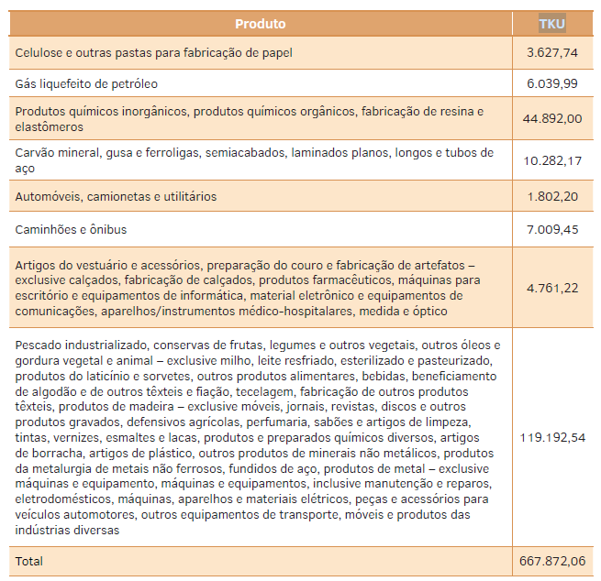
Road | Oil and natural gas | 0.00%

freight-Ship
Notes
In terms of useful ton-kilometers transported the Brazilian waterway sector presented a distribution of the groups of goods transported according to what is shown in Figure 49.
We used this share to represent industry ownership

from Mitigation Option
page 109
Figure 49 - Distribution of the Main Cargo Transported on Waterways (TKU)
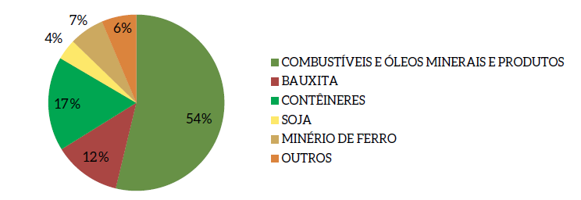

 | legend | Share
 | FUELS AND MINERAL OILS AND PRODUCTS | 54%
 | BAUXITE | 12%
 | CONTAINERS | 17%
 | SOY | 4%
 | IRON ORE | 7%
 | OTHERS | 6%

